Dataset
Back to Dashboard

N | Date | Year | Month | Day | Driver | Buddy | Vehicle | Distance (km) | Trip Classify | Distance Traveled | From | To | Goods | Driver wage/trip | Buddy wage/trip | Driver Salary | Buddy Salary | Weight (Tons) | Hired Transportation
1 | 2022-01-01 | 2022 | Jan | 1 | Antoni Koy | Mike | 72-0466 | 25 | Close | Return | Xunthai | Gidec | Woodchip | $400 | $400 | $400 | $400 | 14 | No
2 | 2022-02-01 | 2022 | Feb | 1 | Johny Lee | Mike | 72-1001 | 15 | Close | Return | Port Said | Safeskin | Woodpellet | $400 | $100 | $400 | $100 | 11 | No
3 | 2022-03-01 | 2022 | Mar | 1 | Antoni Koy | Mike | 72-0466 | 65 | Far | Return | Gidec | Suies | Woodchip | $600 | $100 | $600 | $100 | 15 | No
4 | 2022-04-01 | 2022 | Apr | 1 | Johny Lee | Mike | 72-1001 | 44 | Regular | One-Way | Safeskin | X1 Port | Woodpellet | $400 | $100 | $400 | $100 | 13 | No
5 | 2022-05-01 | 2022 | May | 1 | Antoni Koy | Lee | 72-0466 | 65 | Far | One-Way | Top glove | X1 Port | Woodchip | $600 | $100 | $600 | $100 | 12 | No
6 | 2022-06-01 | 2022 | Jun | 1 | Johny Lee | Mike | 72-1001 | 80 | Far | One-Way | Alex | Top glove | Woodpellet | $800 | $100 | $800 | $100 | 11 | No
7 | 2022-07-01 | 2022 | Jul | 1 | Antoni Koy | Lee | 72-0466 | 25 | Close | One-Way | Giza | X1 Port | Woodchip | $400 | $150 | $400 | $150 | 18 | No
8 | 2022-08-01 | 2022 | Aug | 1 | Johny Lee | Lee | 72-1001 | 25 | Close | Return | Gidec | Safeskin | Woodpellet | $400 | $100 | $400 | $100 | 13 | Yes
9 | 2022-09-01 | 2022 | Sep | 1 | Antoni Koy | Lee | 72-0466 | 25 | Close | One-Way | Safeskin | Mina | Woodchip | $400 | $100 | $400 | $100 | 15 | Yes
10 | 2022-10-01 | 2022 | Oct | 1 | Johny Lee | Mike | 72-1001 | 25 | Close | One-Way | Air Port | X1 Port | Woodpellet | $400 | $200 | $400 | $200 | 14 | No
11 | 2022-11-01 | 2022 | Nov | 1 | Antoni Koy | Mike | 72-0466 | 25 | Close | One-Way | Xunthai | Gidec | Woodchip | $400 | $400 | $400 | $400 | 12 | No
12 | 2022-12-01 | 2022 | Dec | 1 | Johny Lee | Mike | 72-1001 | 15 | Close | One-Way | PT | Safeskin | Woodpellet | $400 | $100 | $400 | $100 | 9 | No
13 | 2022-01-01 | 2022 | Jan | 1 | Antoni Koy | Mike | 72-0466 | 25 | Close | Return | Xunthai | Gidec | Woodchip | $400 | $400 | $400 | $400 | 14 | No
14 | 2022-02-01 | 2022 | Feb | 1 | Johny Lee | Mike | 72-1001 | 15 | Close | Return | Port Said | Safeskin | Woodpellet | $400 | $100 | $400 | $100 | 11 | Yes
15 | 2022-03-01 | 2022 | Mar | 1 | Antoni Koy | Mike | 72-0466 | 65 | Far | Return | Gidec | Suies | Woodchip | $600 | $100 | $600 | $100 | 15 | No
16 | 2022-03-01 | 2022 | Mar | 1 | Johny Lee | Mike | 72-1001 | 44 | Regular | One-Way | Safeskin | X1 Port | Woodpellet | $400 | $100 |  |  | 13 | No
17 | 2022-03-01 | 2022 | Mar | 1 | Antoni Koy | Lee | 72-0466 | 65 | Far | One-Way | Top glove | X1 Port | Woodchip | $600 | $100 |  |  | 12 | No
18 | 2022-06-01 | 2022 | Jun | 1 | Johny Lee | Lee | 72-1001 | 80 | Far | One-Way | Alex | Top glove | Woodpellet | $800 | $100 | $800 | $100 | 11 | No
19 | 2022-07-01 | 2022 | Jul | 1 | Antoni Koy | Lee | 72-0466 | 25 | Close | One-Way | Giza | X1 Port | Woodchip | $400 | $150 | $400 | $150 | 18 | No
20 | 2022-08-01 | 2022 | Aug | 1 | Johny Lee | Lee | 72-1001 | 25 | Close | Return | Gidec | Safeskin | Woodpellet | $400 | $100 | $400 | $100 | 13 | Yes
21 | 2022-08-01 | 2022 | Aug | 1 | Antoni Koy | Lee | 72-0466 | 25 | Close | One-Way | Safeskin | Mina | Woodchip | $400 | $100 |  |  | 15 | Yes
22 | 2022-10-01 | 2022 | Oct | 1 | Johny Lee | Mike | 72-1001 | 25 | Close | One-Way | Air Port | X1 Port | Woodpellet | $400 | $200 | $400 | $200 | 14 | No
23 | 2022-10-01 | 2022 | Oct | 1 | Antoni Koy | Mike | 72-0466 | 25 | Close | One-Way | Xunthai | Gidec | Woodchip | $400 | $400 |  |  | 12 | No
24 | 2022-10-01 | 2022 | Oct | 1 | Johny Lee | Mike | 72-1001 | 15 | Close | One-Way | PT | Safeskin | Woodpellet | $400 | $100 |  |  | 9 | No

Dashboard
Logistics Transportation Management
Total Expenses
$1,600
United States Dollar
Salaries | 800
Wages | 800
Total Salaries
$800
United States Dollar
50%
Wages | 800
Salaries | 800
Total Wage's
$800
United States Dollar
50%
An overview dashboard for fleet management with trip details.

 | Total
Jan | 800
Mar | 1,800
May | 600
Jul | 800
Aug | 400
Sep | 400
Oct | 400
Nov | 400
 | Total
Jan | 800
Mar | 300
May | 100
Jul | 300
Aug | 100
Sep | 100
Oct | 400
Nov | 400
Wage's
$400
Driver
$400
Buddy
$400
$400
USD
USD
Wage's
Driver & Buddy Income
Per Trip Classify
Our Drivers
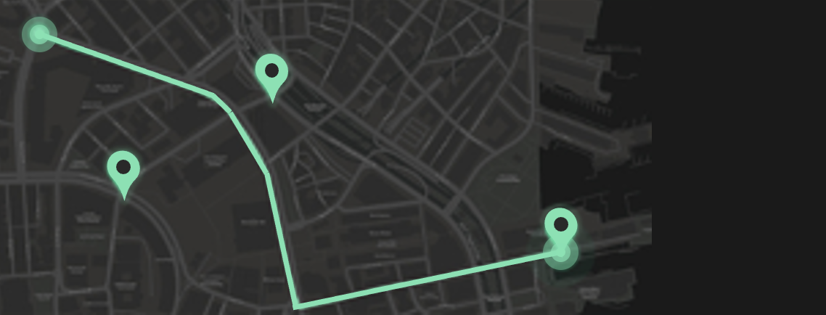

New Truck Driving Laws
1. 30-minute break is more flexible
There is now more flexibility in the 30-minute break rule as it’s now tied to eight hours of driving time without interruption for at least 30 minutes. Instead of a mandatory break after eight hours of continuous driving, drivers can use on-duty, instead of not-driving status instead of off-duty.
2. One off-duty break
Drivers are now allowed one off-duty break of at least 30 minutes but this can’t be over three hours that pauses a driver’s 14-hour driving period. As long as the trucker takes off 10 consecutive hours at the end of the workday.
3. Adverse driving condition exception is modified
The new trucking law extends the maximum period by two hours during which driving is allowed.
4. Off-duty periods
Covered CMV operators are now permitted to use multiple off-duty periods of at least three hours instead of taking 10 consecutive hours off-duty.
 | Sum of Driver wage/trip | Sum of Buddy wage/trip
Close | 400 | 400

Total Distance
Return
One-Way
25
-
1
km
Trips
Trips

Expenses by Month
 | Total
Woodchip | 1
Cargo Types
 | Total
Close | 1
Total Trips
1
Hired Transportation
Trips
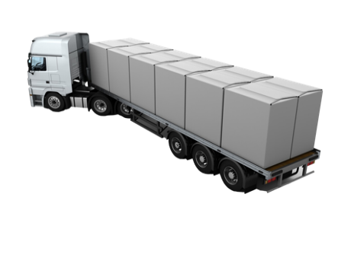
 | Total
Jan | 3,200
Mar | 3,500
May | 1,400
Jul | 2,200
Aug | 500
Sep | 1,000
Oct | 800
Nov | 1,600
Close
Regular
Far
1

The Last Ten Trips
Driver
Truck
From
To

Saturday, October 1, 2022
Antoni Koy
72-0466
Xunthai
Gidec
Monday, August 1, 2022
Antoni Koy
72-0466
Safeskin
Mina
Friday, July 1, 2022
Antoni Koy
72-0466
Giza
X1 Port
Tuesday, March 1, 2022
Antoni Koy
72-0466
Top glove
X1 Port
Tuesday, March 1, 2022
Antoni Koy
72-0466
Gidec
Suies
Saturday, January 1, 2022
Antoni Koy
72-0466
Xunthai
Gidec
Tuesday, November 1, 2022
Antoni Koy
72-0466
Xunthai
Gidec
Thursday, September 1, 2022
Antoni Koy
72-0466
Safeskin
Mina
Friday, July 1, 2022
Antoni Koy
72-0466
Giza
X1 Port
Sunday, May 1, 2022
Antoni Koy
72-0466
Top glove
X1 Port

Trips by Month

 | Count of Month | Count of Month2
Jan | 2
Mar | 3 | 50%
May | 1 | -67%
Jul | 2 | 100%
Aug | 1 | -50%
Sep | 1 | 0%
Oct | 1 | 0%
Nov | 1 | 0%

